0104 Keep 66% Chart
0104 Keep 66% Chart
 | 1+n(3)(10) | 11+n(3)(10) | 13+n(3)(10) | 23+n(3)(10) | 7+n(3)(10) | 17+n(3)(10) | 19+n(3)(10) | 29+n(3)(10)
0 | 1 | 11 | 13 | 23 | 7 | 17 | 19 | 29
1 | 31 | 41 | 43 | 53 | 37 | 47 | 49 | 59
2 | 61 | 71 | 73 | 83 | 67 | 77 | 79 | 89
3 | 91 | 101 | 103 | 113 | 97 | 107 | 109 | 119
4 | 121 | 131 | 133 | 143 | 127 | 137 | 139 | 149

0106 Results Of Matrix (work)
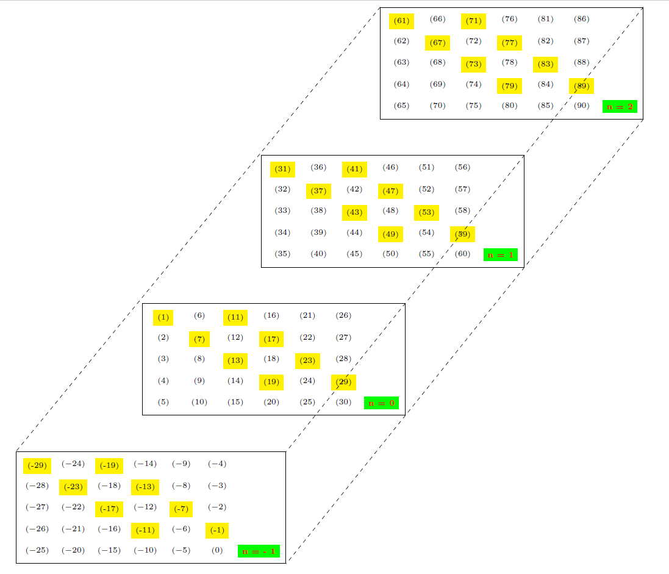

0107 Cube
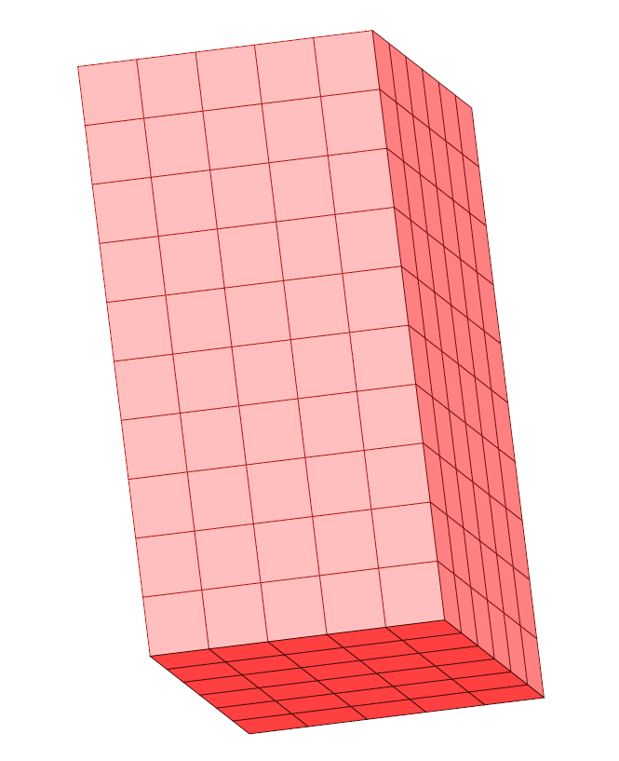
0107 Cube | Tio Cash Master 0100 Formulas

